Other Expense
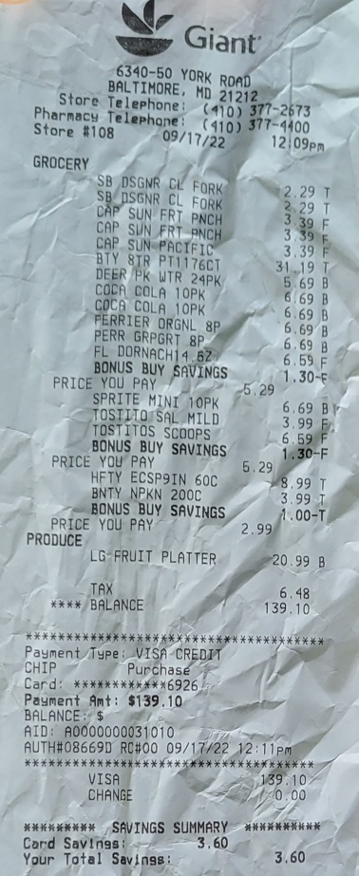
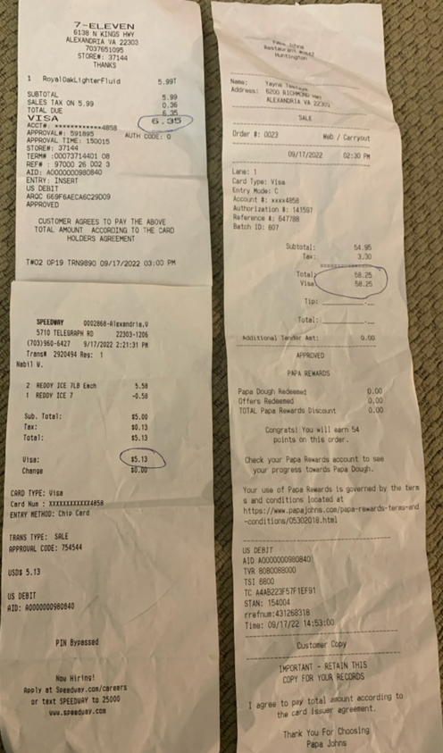
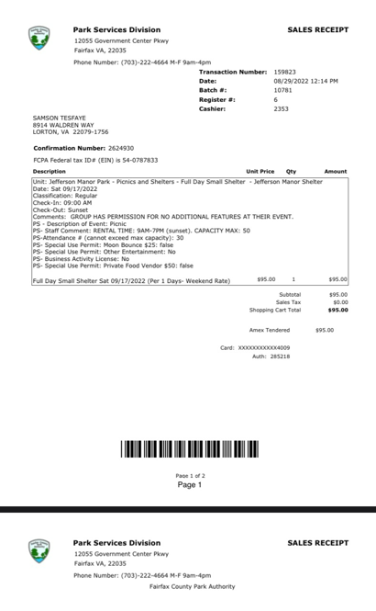
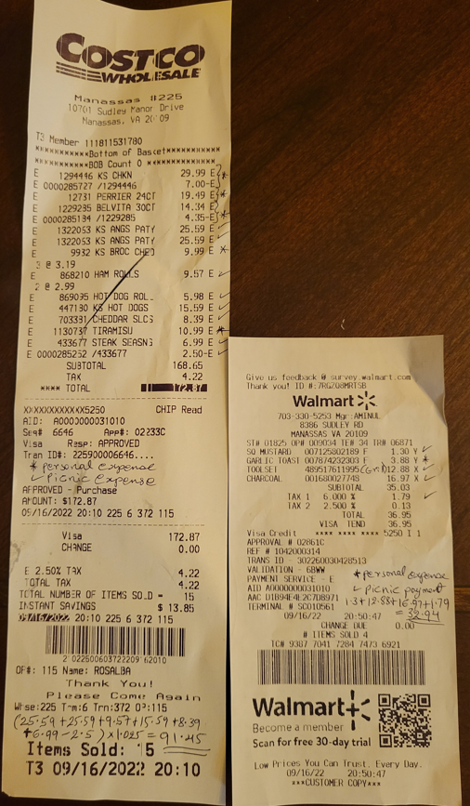
Description | Amount | Date | Comment
Expense for picnic | 164.73 | 2022-09-17 | Refund made to Samson Tesfaye as payment towards monthly contribution (Jan 2023 to Aug 2023)
Expense for picnic | 139.10 | 2022-09-17 | Refund made to Fitsum Temeliso as payment towards monthly contribution (Jan 2023 to July 2023)
Expense for picnic | 124.39 | 2022-09-17 | Payment was made by Fikreselassie Temeliso
 | 428.22

